Example 1
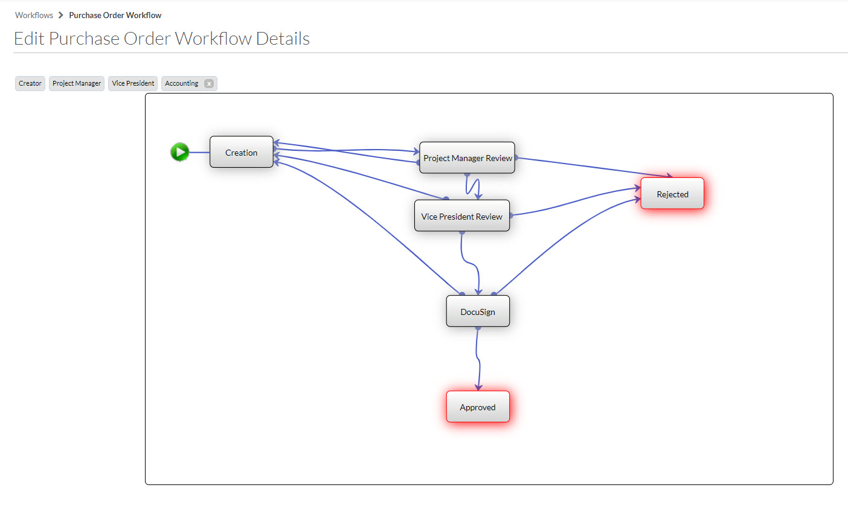
Tool: | Purchase Order
Status Options: | Draft, Processing, Submitted, Partially Received, Received, Approved, Closed
Workflow Name: | Purchase Order Workflow
User Roles: | Creator, Project Manager, Vice President, Accounting

# | State Name | State Status | User Role | Action(s) | Transition To | Send Reminder emails after ___ days | Notify | Notes
1 | Creation | Draft | Creator | Initiate & Send to PM for Review | 2 - Project Manager Review | 3 | n/a
2 | Project Manager Review | Processing | Project Manager | Approve Revise & Resubmit Reject | 3 - Vice President Review 1 - Creation 6 - Rejected | 3 | n/a n/a Creator
3 | Vice President Review | Processing | Vice President | Approve Revise & Resubmit Reject | 3 - Docusign 1 - Creation 6 - Rejected | 5 | n/a Project Manager Creator, Project Manager
4 | DocuSign | Submitted | Project Manager | DocuSign Complete; Final Approval Revise & Resubmit Reject | 5 - Approved 1 - Creation 6 - Rejected | 5 | Creator, Accounting n/a Creator
5 | Approved | Approved | n/a | n/a | n/a | n/a | n/a
6 | Rejected | Closed | n/a | n/a | n/a | n/a | n/a

Diagram Example

Example 2
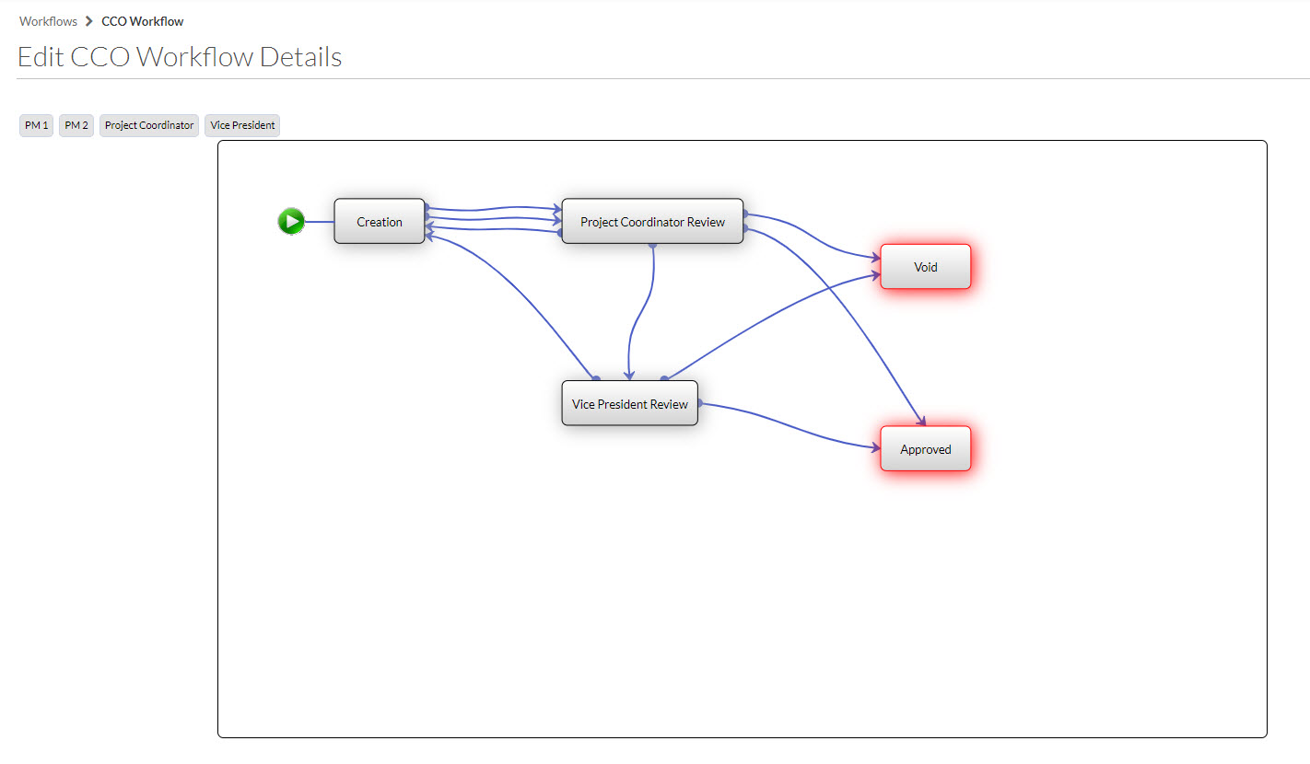
Tool: | Commitment Change Order
Status Options: | Draft, Pending, Pending - In Review, Pending - Revised, Pending - Pricing, Pending - Not Pricing, Pending - Proceeding, Pending - Not Proceeding, Approved, Rejected, Void, No Charge
Workflow Name: | CCO Workflow
User Roles: | PM 1, PM 2, Project Coordinator, Vice President

# | State Name | State Status | User Role | Action(s) | Transition To | Send Reminder emails after ___ days | Notify | Notes
1 | Creation | Draft | PM 1 PM 2 | Initiate & Send to PC for Review | 2 - Project Coordinator Review | 3 | n/a | Either PM1 or PM2 can perform the actions in this state
2 | Project Coordinator Review | Pending | Project Coordinator | Approve - Under 10k Send to VP - Over 10k Revise & Resubmit Void | 4 - Approved 3 - Vice President Review 1 - Creation 5 - Void | 3 | PM 1, PM 2 n/a n/a PM 1, PM 2
3 | Vice President Review | Pending | Vice President | Approve Revise & Resubmit Void | 5 - Approved 2 - Project Coodinator Review 5 - Void | 5 | PM 1, PM 2, Project Coordinator n/a PM 1, PM 2, Project Coordinator
4 | Approved | Approved | n/a | n/a | n/a | n/a | n/a
5 | Void | Void | n/a | n/a | n/a | n/a | n/a

Diagram Example

